Daily Power Station Chart_15-01
Plant_07/03/2025Chart

Plant:odco1 |  |  | Installed Capacity:111.180kWp
Today Yield(kWh):436.400kWh |  | Today Earning:174560.000TND |  | Today Full Load Hours(h):3.93h

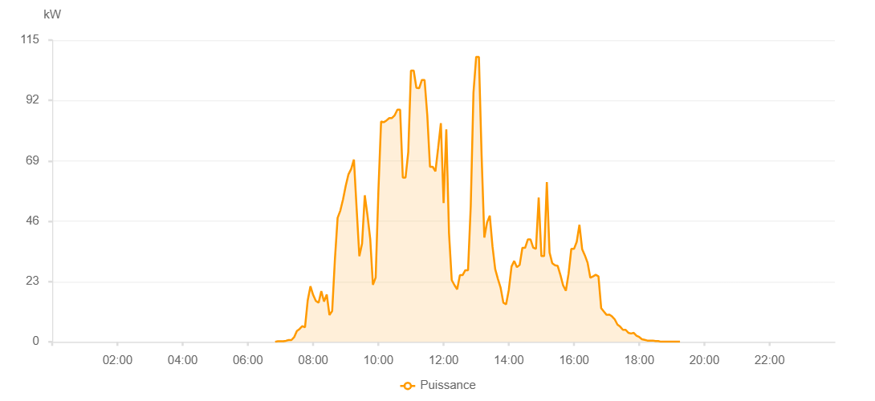

Number | Time | Working State | PV(W) | Instantaneous Radiation(W/㎡)
1 | 06:50:00 | Online | 40.00000 | 0
2 | 06:55:00 | Online | 240.00000 | 0
3 | 07:00:00 | Online | 230.00000 | 1.00000
4 | 07:05:00 | Online | 230.00000 | 1.00000
5 | 07:10:00 | Online | 410.00000 | 3.00000
6 | 07:15:00 | Online | 690.00000 | 6.00000
7 | 07:20:00 | Online | 690.00000 | 9.00000
8 | 07:25:00 | Online | 1770.00000 | 18.00000
9 | 07:30:00 | Online | 4150.00000 | 28.00000
10 | 07:35:00 | Online | 4900.00000 | 42.00000
11 | 07:40:00 | Online | 5970.00000 | 56.00000
12 | 07:45:00 | Online | 5520.00000 | 54.00000
13 | 07:50:00 | Online | 15820.00000 | 180.00000
14 | 07:55:00 | Online | 21200.00000 | 180.00000
15 | 08:00:00 | Online | 17860.00000 | 236.00000
16 | 08:05:00 | Online | 15610.00000 | 268.00000
17 | 08:10:00 | Online | 14880.00000 | 137.00000
18 | 08:15:00 | Online | 19320.00000 | 183.00000
19 | 08:20:00 | Online | 15360.00000 | 183.00000
20 | 08:25:00 | Online | 18080.00000 | 151.00000
21 | 08:30:00 | Online | 10240.00000 | 84.00000
22 | 08:35:00 | Online | 11750.00000 | 92.00000
23 | 08:40:00 | Online | 31360.00000 | 433.00000
24 | 08:45:00 | Online | 47250.00000 | 433.00000
25 | 08:50:00 | Online | 50030.00000 | 459.00000
26 | 08:55:00 | Online | 54350.00000 | 538.00000
27 | 09:00:00 | Online | 59540.00000 | 579.00000
28 | 09:05:00 | Online | 63860.00000 | 579.00000
29 | 09:10:00 | Online | 65910.00000 | 611.00000
30 | 09:15:00 | Online | 69470.00000 | 653.00000
31 | 09:20:00 | Online | 50830.00000 | 751.00000
32 | 09:25:00 | Online | 32650.00000 | 300.00000
33 | 09:30:00 | Online | 37420.00000 | 282.00000
34 | 09:35:00 | Online | 55870.00000 | 389.00000
35 | 09:40:00 | Online | 48200.00000 | 690.00000
36 | 09:45:00 | Online | 39230.00000 | 237.00000
37 | 09:50:00 | Online | 21750.00000 | 202.00000
38 | 09:55:00 | Online | 24480.00000 | 202.00000
39 | 10:00:00 | Online | 57210.00000 | 261.00000
40 | 10:05:00 | Online | 83950.00000 | 756.00000
41 | 10:10:00 | Online | 83700.00000 | 769.00000
42 | 10:15:00 | Online | 84380.00000 | 785.00000
43 | 10:20:00 | Online | 85290.00000 | 798.00000
44 | 10:25:00 | Online | 85290.00000 | 813.00000
45 | 10:30:00 | Online | 86340.00000 | 824.00000
46 | 10:35:00 | Online | 88480.00000 | 834.00000
47 | 10:40:00 | Online | 88480.00000 | 846.00000
48 | 10:45:00 | Online | 62600.00000 | 1015.00000
49 | 10:50:00 | Online | 62600.00000 | 588.00000
50 | 10:55:00 | Online | 72360.00000 | 1066.00000
51 | 11:00:00 | Online | 103390.00000 | 444.00000
52 | 11:05:00 | Online | 103390.00000 | 796.00000
53 | 11:10:00 | Online | 96780.00000 | 952.00000
54 | 11:15:00 | Online | 96650.00000 | 934.00000
55 | 11:20:00 | Online | 99790.00000 | 934.00000
56 | 11:25:00 | Online | 99790.00000 | 1030.00000
57 | 11:30:00 | Online | 86420.00000 | 987.00000
58 | 11:35:00 | Online | 66710.00000 | 634.00000
59 | 11:40:00 | Online | 66710.00000 | 471.00000
60 | 11:45:00 | Online | 64960.00000 | 471.00000
61 | 11:50:00 | Online | 73900.00000 | 1119.00000
62 | 11:55:00 | Online | 83350.00000 | 1040.00000
63 | 12:00:00 | Online | 52910.00000 | 525.00000
64 | 12:05:00 | Online | 81020.00000 | 788.00000
65 | 12:10:00 | Online | 41380.00000 | 788.00000
66 | 12:15:00 | Online | 23540.00000 | 204.00000
67 | 12:20:00 | Online | 21620.00000 | 204.00000
68 | 12:25:00 | Online | 20010.00000 | 173.00000
69 | 12:30:00 | Online | 25410.00000 | 169.00000
70 | 12:35:00 | Online | 25410.00000 | 247.00000
71 | 12:40:00 | Online | 27310.00000 | 514.00000
72 | 12:45:00 | Online | 27310.00000 | 325.00000
73 | 12:50:00 | Online | 51820.00000 | 472.00000
74 | 12:55:00 | Online | 95060.00000 | 826.00000
75 | 13:00:00 | Online | 108600.00000 | 1117.00000
76 | 13:05:00 | Online | 108600.00000 | 1117.00000
77 | 13:10:00 | Online | 70720.00000 | 289.00000
78 | 13:15:00 | Online | 39740.00000 | 289.00000
79 | 13:20:00 | Online | 45500.00000 | 353.00000
80 | 13:25:00 | Online | 48080.00000 | 388.00000
81 | 13:30:00 | Online | 36400.00000 | 299.00000
82 | 13:35:00 | Online | 27700.00000 | 241.00000
83 | 13:40:00 | Online | 23960.00000 | 210.00000
84 | 13:45:00 | Online | 20580.00000 | 159.00000
85 | 13:50:00 | Online | 14940.00000 | 159.00000
86 | 13:55:00 | Online | 14270.00000 | 129.00000
87 | 14:00:00 | Online | 19800.00000 | 158.00000
88 | 14:05:00 | Online | 28680.00000 | 158.00000
89 | 14:10:00 | Online | 30830.00000 | 558.00000
90 | 14:15:00 | Online | 28460.00000 | 252.00000
91 | 14:20:00 | Online | 29300.00000 | 249.00000
92 | 14:25:00 | Online | 35820.00000 | 299.00000
93 | 14:30:00 | Online | 35820.00000 | 367.00000
94 | 14:35:00 | Online | 39030.00000 | 626.00000
95 | 14:40:00 | Online | 39030.00000 | 536.00000
96 | 14:45:00 | Online | 35860.00000 | 354.00000
97 | 14:50:00 | Online | 35450.00000 | 340.00000
98 | 14:55:00 | Online | 55000.00000 | 340.00000
99 | 15:00:00 | Online | 32680.00000 | 309.00000
100 | 15:05:00 | Online | 32680.00000 | 281.00000
101 | 15:10:00 | Online | 60910.00000 | 803.00000
102 | 15:15:00 | Online | 34040.00000 | 803.00000
103 | 15:20:00 | Online | 29950.00000 | 304.00000
104 | 15:25:00 | Online | 29180.00000 | 304.00000
105 | 15:30:00 | Online | 28950.00000 | 238.00000
106 | 15:35:00 | Online | 25500.00000 | 238.00000
107 | 15:40:00 | Online | 21490.00000 | 178.00000
108 | 15:45:00 | Online | 19490.00000 | 178.00000
109 | 15:50:00 | Online | 25980.00000 | 153.00000
110 | 15:55:00 | Online | 35420.00000 | 207.00000
111 | 16:00:00 | Online | 35420.00000 | 491.00000
112 | 16:05:00 | Online | 38130.00000 | 207.00000
113 | 16:10:00 | Online | 44610.00000 | 471.00000
114 | 16:15:00 | Online | 35320.00000 | 149.00000
115 | 16:20:00 | Online | 32970.00000 | 362.00000
116 | 16:25:00 | Online | 30150.00000 | 333.00000
117 | 16:30:00 | Online | 24440.00000 | 317.00000
118 | 16:35:00 | Online | 24950.00000 | 263.00000
119 | 16:40:00 | Online | 25550.00000 | 131.00000
120 | 16:45:00 | Online | 24940.00000 | 132.00000
121 | 16:50:00 | Online | 12870.00000 | 105.00000
122 | 16:55:00 | Online | 11540.00000 | 105.00000
123 | 17:00:00 | Online | 10280.00000 | 78.00000
124 | 17:05:00 | Online | 10420.00000 | 78.00000
125 | 17:10:00 | Online | 9680.00000 | 82.00000
126 | 17:15:00 | Online | 8560.00000 | 73.00000
127 | 17:20:00 | Online | 6580.00000 | 71.00000
128 | 17:25:00 | Online | 5780.00000 | 56.00000
129 | 17:30:00 | Online | 4590.00000 | 43.00000
130 | 17:35:00 | Online | 4590.00000 | 37.00000
131 | 17:40:00 | Online | 3460.00000 | 26.00000
132 | 17:45:00 | Online | 3180.00000 | 22.00000
133 | 17:50:00 | Online | 3410.00000 | 18.00000
134 | 17:55:00 | Online | 2350.00000 | 16.00000
135 | 18:00:00 | Online | 1840.00000 | 16.00000
136 | 18:05:00 | Online | 990.00000 | 12.00000
137 | 18:10:00 | Online | 750.00000 | 9.00000
138 | 18:15:00 | Online | 490.00000 | 5.00000
139 | 18:20:00 | Online | 490.00000 | 2.00000
140 | 18:25:00 | Online | 490.00000 | 1.00000
141 | 18:30:00 | Online | 280.00000 | 0
142 | 18:35:00 | Online | 280.00000 | 0
143 | 18:40:00 | Online | 40.00000 | 0
144 | 18:45:00 | Online | 40.00000 | 0
145 | 18:50:00 | Online | 40.00000 | 0
146 | 18:55:00 | Online | 40.00000 | 0
147 | 19:00:00 | Online | 40.00000 | 0
148 | 19:05:00 | Online | 40.00000 | 0
149 | 19:10:00 | Online | 40.00000 | 0
150 | 19:15:00 | Online | 40.00000 | 0
151 | 19:35:00 | Online | 0.00001 | 0.00001

